Shematic Review
Schematic Review 1 for Vendiman 1.0

 | Project Name | Vendiman 1.0 |  | Varient |  | NA
 | Project Number |  |  | Updated By |  | Shailesh S
 | PCB Name | Vendiman 1.0 V1.0.0 |  | Date |  | 04.09.2023
 | Schematic Folder |  |  | Reviewed By |  | Shashank U Shailesh S
 | Supplier / Internal | Internal |  | Review Date |  | 29.09.2023
 | Supplier Name | -- |  | Schematic Designer |  | Dhiraj G
 | Supplier Address | -- |  | Phone No |  | --
 | Email Address | -- |  | PO No |  | --
 | PCB W Name & Version | Kikad V7.0 |  | Sch / PCB Version |  | V1.0.0

No | Observation / Finding |  | Module | Status | Remark / Comment |  | Target Date | Resp.
1 | Check if External Vref is used / Internal Vref is used for ADC |  | Sensors | In Review |  |  | 2023-10-05 | SS
2 | C9,C11,C12 and C13 shall be near to Pins |  | Controller | In Review | To be checked in the layout |  | 2023-10-06 | DG
3 | If possible get the Buzzer Part No. The Buzzer is available in Rajiv electronics called as Micro Buzzer but there is no standard part no. |  | Buzzer | In Review | Alternate Murata Part No suggested by Shashank: Murata -- PKM13EPYH4002-B0 |  | 2023-10-06 | DG
4 | Check What is Motor current with customer. Try to get Motor Specifications. |  | Motor Driver | In Review |  |  | 2023-10-06 | DG
5 | PHT6N066T is absolete, Dhiraj has selected alternate part. Shashank to suggest one more alternate part. |  | Motor Driver | In Review |  |  | 2023-10-06 | SU
6 | To check and confirm if ground on both sides of isolator U9,U10 and U11 is common. |  | Sensors | In Review |  |  | 2023-10-06 | DG + SS
7 | U7 Part no SN74LV1T34DBV is not appearing in the circuit diagram. |  | Driver | In Review |  |  | 2023-10-05 | DG
8 | Update connector with actual I/O Signal Name |  | Connector | In Review |  |  | 2023-10-05 | DG
9 | 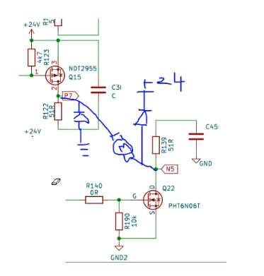 Suggested to have freewheeling diode as shown in the picture below: |  | Motor Driver | In Review |  |  | 2023-10-06 | DG
10 | Q13 and Q14 shall have Freewheeling diode is required. Recommended idodes:1N4007 Or M7 |  | Motor Driver | In Review |  |  | 2023-10-06 | DG

